Date Function
Date Function | Functions | Date | Formula | Day | Month | Year
 | Today | 2024-07-28 | July-24 | 2 | 3 | 5
Today, Now Functions | Now | 12/9/24
Day, Month, Year Functions | Day | 28 |  | 2023-11-05 | 2029-02-07
Date Function | Month | 7 |  | 2023-11-07 | 2023 | 2028
Adding / Subtracting Day, Month, Year | Year | 2024 |  |  | 11 | 14
Networkdays, Networkday.intl | Date | 2024-07-28 |  |  | 5 | 7
Date vs Days |  |  |  |  |  | 2029-02-07
 | Add / Subtract Days

 | Date | 2024-12-09
 | Adding Days | 2024-12-10
 | Substracting Days | 2024-12-08 | 2025-02-08

 | Add / Subtract Month
 | E-Date
 | Date | 2024-12-09 |  | Add / Subtract Years
 | Adding Months | 2025-02-09
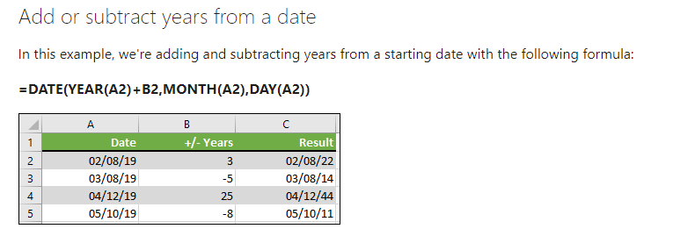
 | Substracting Months

 | Add / Subtract Years
 | E-Date
 | Date | 2024-12-09
 | Adding Years | 2027-12-09
 | Substracting Years | 2028-12-09

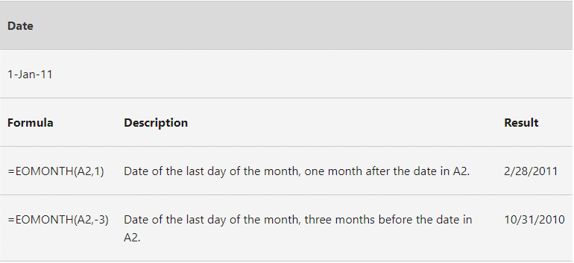
 | End of Month (EOMonth) |  |  | End of Month (EOMonth)
 | Date | 2024-12-31
 |  | 2025-01-31 | 2024-11-30
 | NetworkDays
 | Start Date | 2024-08-01 | 2024-08-15
 | End Date | 2024-08-31 | 2024-08-16
 |  | 20

 | NetworkDays
 | Start Date | 2024-08-01
 | End Date | 2024-08-31

 | NetworkDays.intl
 | Start Date | 2024-08-01
 | End Date | 2024-08-31 |  |  | 2024-08-15
 |  | 22

